Sheet1
Model | Parameters (in billions) | Paramater Bits* | VRAM Needed | Single GPU | 2 GPU | 3 GPU | Multiple vLLM Instance single GPU
Llama 70B | 70 | 16 | 168 |  | 1 | 1, 2, 3, 4
Llama 2B | 2 | 16 | 4.8 | 1, 2, 3, 4, 5, 6, 7, 8, 9, 10, 11, 12, 13, 14, 15, 16, 17, 18, 19 | 1, 2, 3, 4, 5, 6, 7, 8, 9, 10, 11, 12, 13, 14, 15, 16, 17, 18, 19, 20 | 1, 2, 3, 4, 5, 6, 7, 8, 9, 10, 11, 12, 13, 14, 15, 16, 17, 18, 19, 20 | 1, 2, 3, 4, 5, 6, 7, 8, 9, 10, 11, 12, 13, 14, 15, 16, 17, 18, 19
Mistral V1 | 7 | 16 | 16.8 | 1, 2, 3, 4, 5, 6, 7, 8, 9, 10, 11, 12, 13, 14 | 1, 2, 3, 4, 5, 6, 7, 8, 9, 10, 11, 12, 13, 14, 15, 16, 17, 18, 19 | 1, 2, 3, 4, 5, 6, 7, 8, 9, 10, 11, 12, 13, 14, 15, 16, 17, 18, 19 | 1, 2, 3, 4, 5, 6, 7, 8
Mistral Nemo Base | 12.2 | 16 | 29.28 | 1, 2, 3, 4, 5, 6, 7, 8, 9 | 1, 2, 3, 4, 5, 6, 7, 8, 9, 10, 11, 12, 13, 14, 15, 16, 17, 18, 19 | 1, 2, 3, 4, 5, 6, 7, 8, 9, 10, 11, 12, 13, 14, 15, 16, 17, 18, 19 | 1, 2, 3, 4
* 16 bit paramters is the standard, but can do 4 or 8 as well

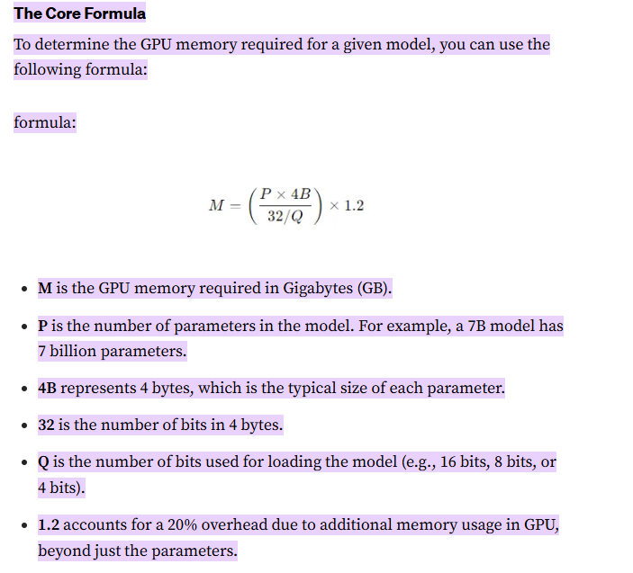
 |  | KV Cache % | 85%
GPU # | GPU | GM VRAM | vLLM VRAM available (standard KV Cache) (above value) | CUDA CORES
1 | NVIDIA H100 (94GB) SXM | 94 | 79.9 | 16896
2 | NVIDIA A100 (80GB) | 80 | 68 | 6912
3 | NVIDIA H100 (80GB) | 80 | 68 | 16896
4 | NVIDIA A100-80GB | 80 | 68 | 6912
5 | NVIDIA A100 (40GB) | 40 | 34 | 6912
6 | NVIDIA RTX 6000 Ada (48GB) | 48 | 40.8 | 18176
7 | NVIDIA L40 | 48 | 40.8 | 16384
8 | NVIDIA A40 (48GB) | 48 | 40.8 | 10752
9 | NVIDIA V100 (32GB) | 32 | 27.2 | 5120
10 | NVIDIA RTX 3090 | 24 | 20.4 | 10496
11 | NVIDIA RTX 4090 | 24 | 20.4 | 16384
12 | NVIDIA L4 | 24 | 20.4 | 7680
13 | NVIDIA A30 (24GB) | 24 | 20.4 | 3584
14 | NVIDIA A10 | 24 | 20.4 | 9216
15 | NVIDIA RTX 4080 | 16 | 13.6 | 9728
16 | NVIDIA V100 (16GB) | 16 | 13.6 | 5120
17 | NVIDIA P6 | 16 | 13.6 | 2048
18 | NVIDIA M60 | 16 | 13.6 | 4096
19 | NVIDIA P100 | 16 | 13.6 | 3584
20 | NVIDIA K2 | 4 | 3.4 | 3072

